Patient Vitals
Transaction Calls | Response Time under load (in sec)
 | No. of transactions | Avg response Time | 90th % response time | Max response time | Error % | TPS | Observations
Launch_cura.com/-62 | 228 | 1.57 | 1.71 | 3.57 | 0.00% | 0.26 | 1. 90th % and avg response time of all the calls were within the 3 sec SLA
Launch_cura.com/wp-content/et-cache/882/et-core-unified-882.min.css-63 | 228 | 0.28 | 0.29 | 1.06 | 0.00% | 0.26 | 2. Max response time of Few calls went up to 8.6 sec
Launch_cura.com/wp-content/et-cache/882/et-core-unified-tb-1227-deferred-882.min.css-64 | 228 | 0.29 | 0.30 | 0.98 | 0.00% | 0.26 | 3. Module has scaled as per expectations under load conditions with 0 failures throughout the execution
Launch_cura.com/wp-content/uploads/2020/08/cropped-CuraWebbadge-32x32.png-65 | 228 | 0.28 | 0.30 | 1.02 | 0.00% | 0.26 | 4. A consistent TPS of 0.26 was achieved throughout the test duration
Click_PatientVitalsDevices/patient-vitals-devices/-66 | 227 | 1.19 | 1.26 | 3.78 | 0.00% | 0.26
Click_PatientVitalsDevices/wp-content/et-cache/1345/et-core-unified-tb-1227-deferred-1345.min.css-68 | 226 | 0.29 | 0.30 | 1.08 | 0.00% | 0.26
Click_PatientVitalsDevices/wp-content/et-cache/1345/et-core-unified-1345.min.css-67 | 226 | 0.29 | 0.30 | 1.06 | 0.00% | 0.26
Click_PatientVitalsDevices/wp-content/uploads/2020/08/f6d46fc4-84ee-4cdb-856a-9171c0fe4f1f-scaled.jpeg-70 | 226 | 0.64 | 0.68 | 2.31 | 0.00% | 0.26
Click_PatientVitalsDevices/wp-content/uploads/2021/01/CuraHouseCall.png-69 | 226 | 1.37 | 2.71 | 8.61 | 0.00% | 0.26
Click_Help/patient-vitals-devices/-71 | 224 | 1.20 | 1.26 | 3.18 | 0.00% | 0.26

Graphs (Page Load)

Active Threads:
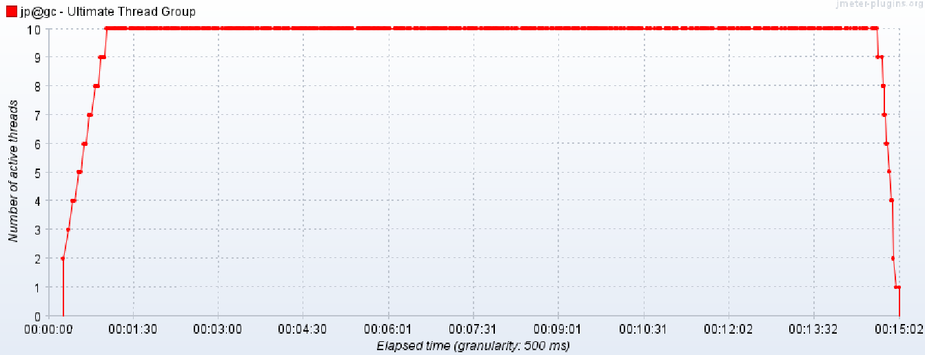

Response Time:
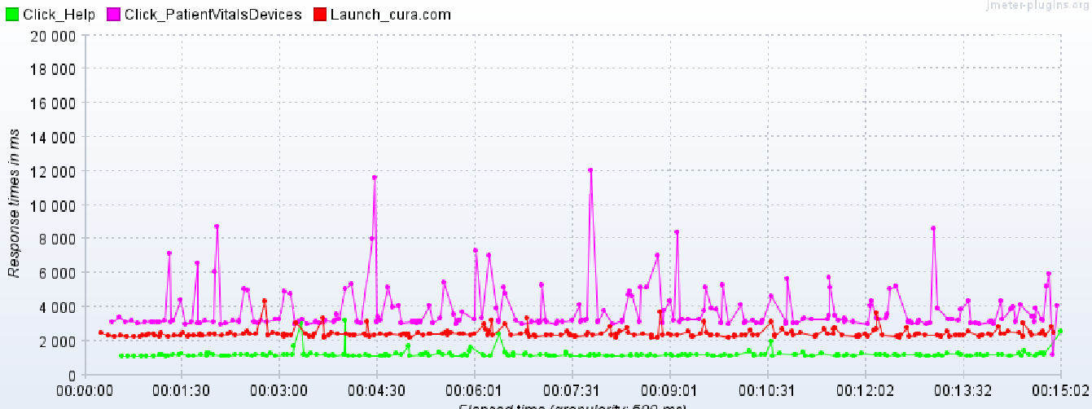

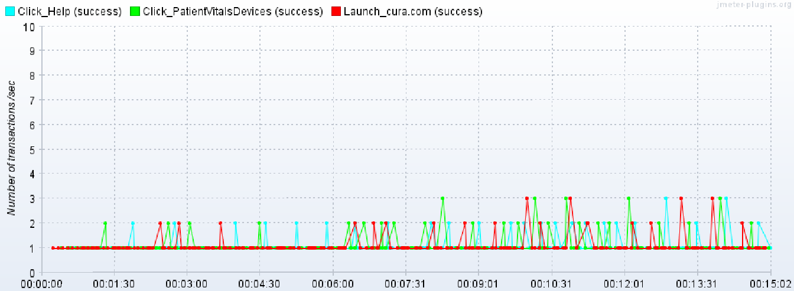
TPS:

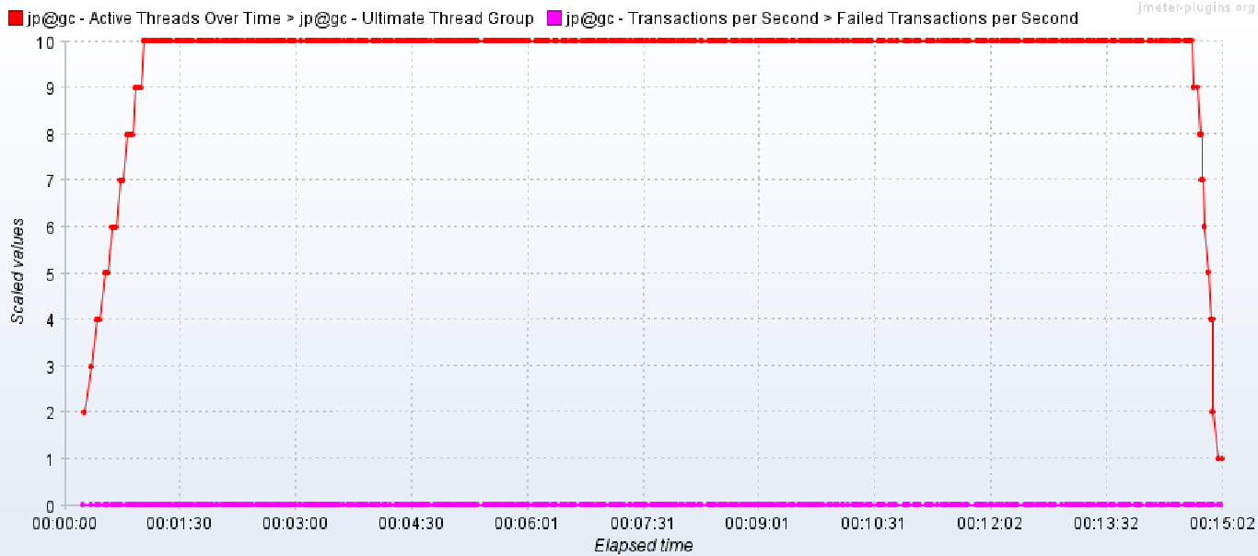
Errors under load:

Careers
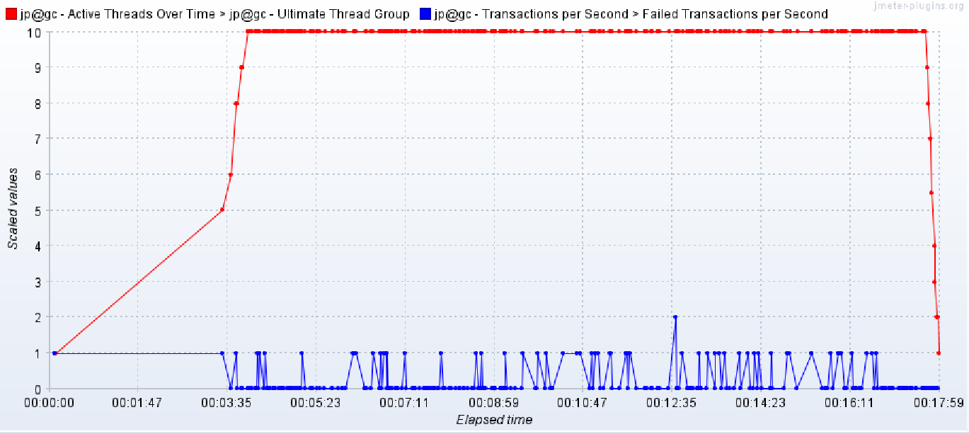
Transaction Calls | Response Time under load (in sec) |  |  |  |  |  | Observations
 | No. of transactions | Avg response Time | 90th % response time | Max response time | Error % | TPS | 1. avg response time of few calls went up 26 sec with 90th % time going up to 52 sec which is way beyond 3 sec SLA
/-2 | 68 | 1.78 | 2.63 | 4.22 | 0.00% | 0.08 | 2. Max response time of Few calls went up to 84 sec
/wp-content/uploads/2020/08/Cura-Logo-No-Tagline@3x.png-9 | 68 | 0.78 | 1.83 | 2.62 | 0.00% | 0.08 | 3. Module did not scale as per expectations under load conditions and multiple failures were observed throughout the execution
/wp-includes/js/jquery/jquery.min.js-8 | 68 | 0.54 | 1.31 | 2.61 | 0.00% | 0.08 | 4. An avg of approx 4% failures were observed with few transactions failed up to 35%
/wp-includes/js/jquery/jquery-migrate.min.js-11 | 68 | 0.39 | 0.39 | 2.35 | 0.00% | 0.08
/wp-content/et-cache/882/et-core-unified-882.min.css-5 | 68 | 0.31 | 0.30 | 0.94 | 0.00% | 0.08
/wp-content/et-cache/882/et-core-unified-tb-1227-deferred-882.min.css-4 | 68 | 0.31 | 0.30 | 1.21 | 0.00% | 0.08 | Recommendations
/wp-content/uploads/2020/10/Provider-Remote-Assessments@3x.png-10 | 67 | 6.33 | 16.53 | 24.32 | 0.00% | 0.08 | 1. Tune the pages to bring down the response time within SLA
/wp-content/themes/Divi/js/scripts.min.js-12 | 64 | 0.45 | 0.89 | 2.10 | 21.88% | 0.07 | 2. Use CDN for .js or .css files wherever possible.
/wp-content/themes/Divi/core/admin/js/common.js-13 | 63 | 0.44 | 0.87 | 1.71 | 0.00% | 0.07 | 3. Reduce the overall file size for .js, .png and other external files to reduce the load time
/wp-content/uploads/2020/10/Employers@3x.png-6 | 63 | 6.76 | 19.60 | 31.95 | 0.00% | 0.07
/wp-content/themes/Divi/core/admin/fonts/modules/base/modules.woff-15 | 63 | 0.23 | 0.30 | 0.70 | 22.22% | 0.07
/wp-content/uploads/2020/10/Facilities@3x.png-14 | 63 | 9.76 | 24.58 | 34.13 | 0.00% | 0.07
/wp-content/uploads/2020/08/phone-with-doc@3x-1-1502x2048.png-16 | 62 | 8.67 | 24.81 | 84.30 | 35.48% | 0.07
/wp-content/uploads/2020/08/joint-commission@3x-1.svg-17 | 61 | 10.00 | 29.35 | 42.07 | 14.75% | 0.07
/wp-content/uploads/2020/08/joint-commission@3x.svg-18 | 61 | 7.16 | 23.32 | 36.00 | 24.59% | 0.07
/wp-content/uploads/2020/10/herooption@3x.png-7 | 61 | 4.00 | 10.52 | 27.96 | 18.03% | 0.07
Click_Careers/careers/-21 | 61 | 1.25 | 1.65 | 2.85 | 0.00% | 0.07
Click_Careers/wp-content/et-cache/98/et-core-unified-98.min.css-24 | 61 | 0.30 | 0.29 | 1.06 | 0.00% | 0.07
Click_Careers/wp-content/uploads/2020/09/iPhone8-Portrait-Silver.png-23 | 61 | 2.29 | 4.56 | 10.79 | 0.00% | 0.07
Click_Careers/wp-content/uploads/2020/09/APPLE-APP-STORE@3x-2048x604.png-27 | 61 | 0.49 | 0.90 | 2.24 | 6.56% | 0.07
Click_Careers/wp-content/uploads/2020/08/Cura-Logo-Three-Color-Horizontal-white@3x-2-2048x1032.png-25 | 61 | 1.56 | 3.33 | 7.56 | 0.00% | 0.07
Click_Careers/wp-content/uploads/2020/09/GOOGLE-PLAY-SMALL@3x-2048x606.png-26 | 61 | 0.81 | 2.10 | 3.98 | 6.56% | 0.07
Click_ConnectToday/-28 | 60 | 1.53 | 2.35 | 4.42 | 0.00% | 0.07
Click_HealthNews/health-news/-38 | 60 | 1.28 | 1.72 | 2.85 | 0.00% | 0.07
Click_HealthNews/wp-content/themes/Divi/includes/builder/feature/dynamic-assets/assets/js/jquery.fitvids.js-42 | 60 | 0.34 | 0.31 | 1.44 | 0.00% | 0.07
Click_HealthNews/wp-includes/js/mediaelement/wp-mediaelement.min.css-41 | 60 | 0.29 | 0.30 | 0.47 | 0.00% | 0.07
Click_HealthNews/wp-content/uploads/2021/02/braving-cheom-400x250.jpeg-40 | 60 | 0.44 | 0.92 | 1.79 | 0.00% | 0.07
Click_HealthNews/wp-content/et-cache/12/et-core-unified-12.min.css-39 | 60 | 0.29 | 0.30 | 0.42 | 0.00% | 0.07
Click_HealthNews/wp-content/uploads/2021/01/AdobeStock_398233632-1-scaled.jpeg-44 | 60 | 2.91 | 7.54 | 17.72 | 0.00% | 0.07
Click_HealthNews/wp-content/themes/Divi/includes/builder/feature/dynamic-assets/assets/js/easypiechart.js-43 | 60 | 0.30 | 0.30 | 2.09 | 11.67% | 0.07
Click_HealthNews/wp-content/uploads/2020/11/curacoronavirusgirl-400x250.png-46 | 60 | 0.88 | 1.65 | 8.38 | 0.00% | 0.07
Click_HealthNews/wp-content/uploads/2020/10/section4-400x250.png-47 | 60 | 0.54 | 1.17 | 3.37 | 1.67% | 0.07
Click_HealthNews/wp-content/themes/Divi/includes/builder/feature/dynamic-assets/assets/js/salvattore.js-48 | 60 | 0.34 | 0.31 | 1.24 | 0.00% | 0.07
Click_HealthNews/wp-includes/js/mediaelement/mediaelement-and-player.min.js-49 | 60 | 0.78 | 1.81 | 5.86 | 0.00% | 0.07
Click_HealthNews/wp-includes/js/mediaelement/mediaelement-migrate.min.js-50 | 60 | 0.31 | 0.30 | 0.85 | 1.67% | 0.07
Click_HealthNews/wp-includes/js/mediaelement/mediaelementplayer-legacy.min.css-45 | 60 | 0.31 | 0.31 | 0.91 | 0.00% | 0.07
Click_HealthNews/wp-includes/js/mediaelement/wp-mediaelement.min.js-51 | 60 | 0.29 | 0.30 | 0.34 | 0.00% | 0.07
Click_HealthNews/wp-content/uploads/2020/08/f6d46fc4-84ee-4cdb-856a-9171c0fe4f1f-scaled.jpeg-52 | 59 | 1.89 | 5.29 | 8.23 | 0.00% | 0.07
Click_ConnectToday/wp-content/uploads/2020/10/herooption@3x.png-31 | 11 | 8.92 | 24.74 | 28.09 | 18.18% | 0.01
Click_BravingChemo/braving-chemo-no-one-should-go-alone/-53 | 59 | 1.25 | 1.88 | 3.12 | 0.00% | 0.07
Click_BravingChemo/wp-content/et-cache/global/et-divi-customizer-global.min.css-55 | 59 | 0.30 | 0.31 | 1.08 | 0.00% | 0.07
Click_BravingChemo/wp-content/uploads/2021/02/braving-chemo-2-300x88.jpeg-54 | 59 | 0.37 | 0.30 | 2.09 | 0.00% | 0.07
Click_BravingChemo/wp-includes/css/dist/block-library/style.min.css-56 | 58 | 0.41 | 0.88 | 2.18 | 0.00% | 0.07
Click_BravingChemo/wp-content/uploads/2021/02/braving-cheom-980x1217.jpeg-57 | 58 | 1.58 | 3.41 | 6.92 | 0.00% | 0.07
Click_ConnectToday/wp-content/uploads/2020/08/phone-with-doc@3x-1-1502x2048.png-34 | 22 | 26.95 | 52.01 | 57.89 | 0.00% | 0.03
Click_ConnectToday/wp-content/uploads/2020/08/joint-commission@3x-1.svg-35 | 9 | 21.20 | 45.74 | 48.17 | 0.00% | 0.01

Graphs (Page Load)

Active Threads:
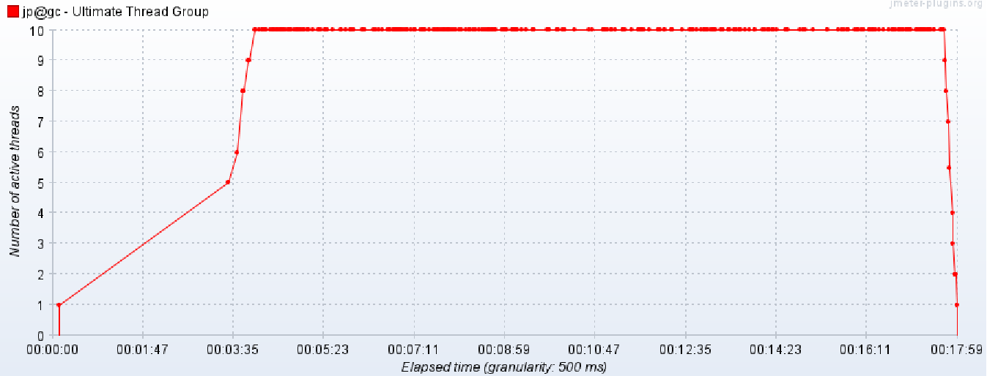

Response Time:
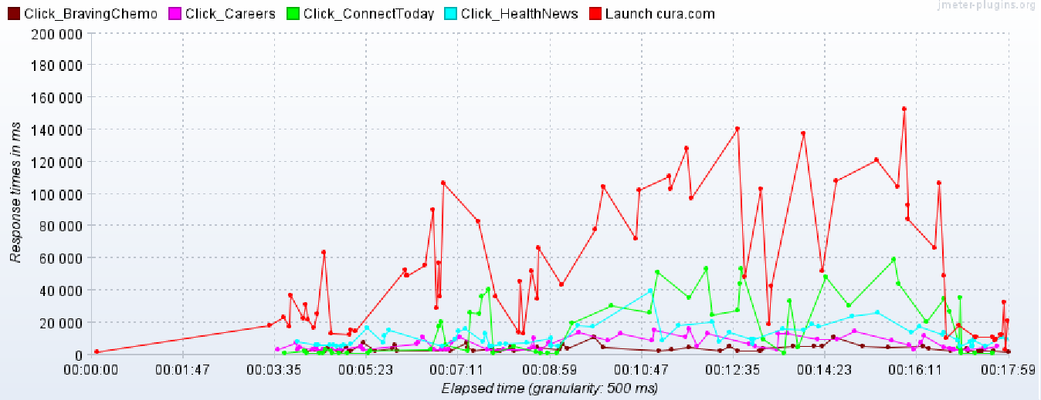

TPS:
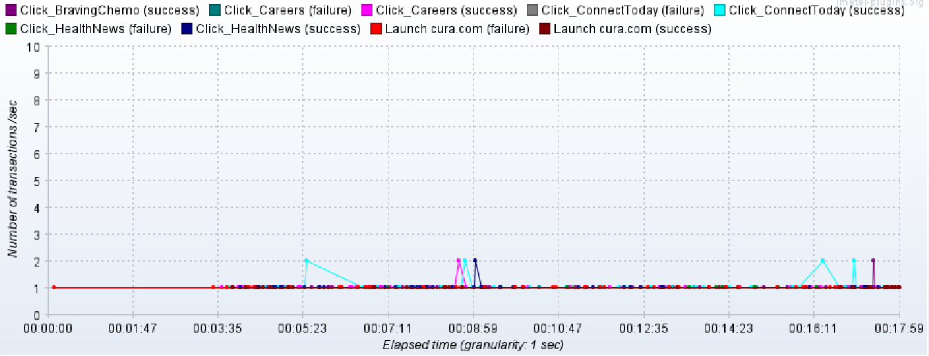

Errors under load:

Telemedicine
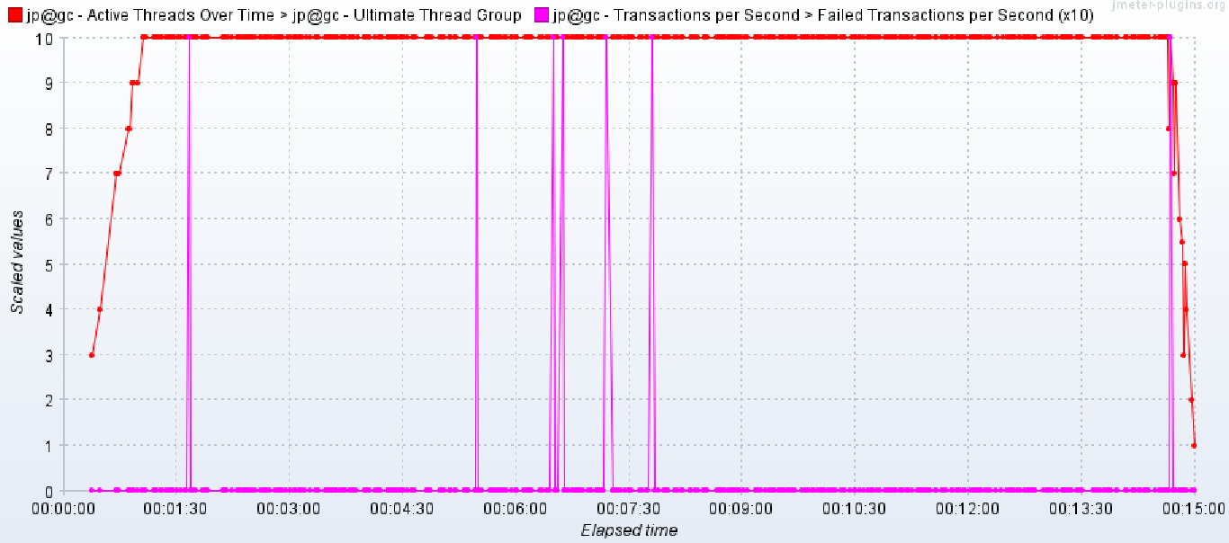
Transaction Calls | Response Time under load (in sec)
 | No. of transactions | Avg response Time | 90th % response time | Max response time | Error % | TPS | Observations
Launch App/-82 | 105 | 1.82 | 2.08 | 2.64 | 0.00% | 0.12 | 1. avg response time of all the calls were under 3 sec SLA
Launch App/wp-content/et-cache/882/et-core-unified-882.min.css-83 | 104 | 0.34 | 0.39 | 0.62 | 0.00% | 0.12 | 2. 90th % response time of few calls went up to 7.4 sec which is beyond 3 sec SLA
Launch App/wp-content/et-cache/882/et-core-unified-tb-1227-deferred-882.min.css-86 | 104 | 0.35 | 0.41 | 0.56 | 0.00% | 0.12 | 3. Max response time of few transactions went up to 26.8 sec which exceeds the 3 sec SLA with a high deviation
Launch App/wp-content/uploads/2020/08/Cura-Logo-No-Tagline@3x.png-89 | 104 | 0.38 | 0.48 | 0.77 | 0.00% | 0.12 | 4. Module scaled as per expectations under load conditions with few failures during the execution
Launch App/wp-content/uploads/2020/10/Employers@3x.png-87 | 104 | 2.01 | 3.01 | 10.64 | 0.00% | 0.12 | 5. An avg of approx 0.1% failures were observed with few transactions failed up to 2.91%
Launch App/wp-includes/js/jquery/jquery.min.js-84 | 104 | 0.36 | 0.41 | 0.80 | 0.00% | 0.12 | 6. A consistent TPS of 0.12 transactions was achieved throughout the execution
Launch App/wp-content/themes/Divi/core/admin/fonts/modules/base/modules.woff-91 | 104 | 0.35 | 0.42 | 0.58 | 0.00% | 0.12
Launch App/wp-includes/js/jquery/jquery-migrate.min.js-92 | 104 | 0.35 | 0.39 | 0.88 | 0.00% | 0.12
Launch App/wp-content/themes/Divi/js/scripts.min.js-93 | 104 | 0.43 | 0.57 | 1.45 | 0.00% | 0.12 | Recommendations
Launch App/wp-content/themes/Divi/core/admin/js/common.js-94 | 103 | 0.34 | 0.37 | 0.51 | 0.00% | 0.12 | 1. Tune the pages to bring down the response time within SLA
Launch App/wp-content/uploads/2020/08/phone-with-doc@3x-1-1502x2048.png-95 | 103 | 2.79 | 7.48 | 20.99 | 0.00% | 0.12 | 2. Use CDN for .js or .css files wherever possible.
Launch App/wp-content/uploads/2020/10/herooption@3x.png-85 | 103 | 1.21 | 2.79 | 14.56 | 0.97% | 0.12 | 3. Reduce the overall file size for .js, .png and other external files to reduce the load time
Launch App/wp-content/uploads/2020/10/Facilities@3x.png-88 | 103 | 1.60 | 3.02 | 26.81 | 0.97% | 0.12
Launch App/wp-content/uploads/2020/10/MEMBERSHIP@3x.png-100 | 103 | 0.37 | 0.45 | 2.07 | 2.91% | 0.12
Launch App/wp-content/uploads/2020/10/MORETHANONE@3x.png-99 | 103 | 0.38 | 0.41 | 1.97 | 0.00% | 0.12
Launch App/wp-content/uploads/2020/08/Cura-Logo-Three-Color-Horizontal-white@3x-2-2048x1032.png-101 | 103 | 0.51 | 0.93 | 2.31 | 0.00% | 0.12
Launch App/wp-content/uploads/2020/09/APPLE-APP-STORE@3x-2048x604.png-103 | 103 | 0.37 | 0.42 | 1.31 | 0.00% | 0.12
Launch App/wp-content/uploads/2020/09/GOOGLE-PLAY-SMALL@3x-2048x606.png-102 | 103 | 0.40 | 0.55 | 1.48 | 0.00% | 0.12
Click_WhatWeTreat/what-we-treat/-104 | 103 | 1.38 | 1.50 | 3.32 | 0.00% | 0.12
Click_WhatWeTreat/wp-content/uploads/2020/09/L1G_8099-2-1@3x.png-106 | 103 | 1.82 | 2.25 | 10.73 | 0.00% | 0.12
Click_WhatWeTreat/wp-content/uploads/2020/08/L1G_7044-2048x1367.jpg-108 | 102 | 0.61 | 1.02 | 5.54 | 0.00% | 0.12
Click_WhatWeTreat/wp-content/uploads/2020/09/Dr-on-Phone@3x.png-107 | 102 | 0.64 | 0.91 | 2.53 | 1.96% | 0.12
Click_WhatWeTreat/wp-content/et-cache/93/et-core-unified-93.min.css-105 | 102 | 0.36 | 0.43 | 1.02 | 0.00% | 0.12
Click_WhatWeTreat/wp-content/uploads/2020/08/Cal-Hero-1.jpg-109 | 102 | 0.60 | 1.13 | 3.00 | 0.00% | 0.12
Click_Telemedicine/telemedicine/-110 | 101 | 1.55 | 1.72 | 4.34 | 0.00% | 0.12
Click_Telemedicine/wp-content/uploads/2020/10/Post-Acute@3x.png-116 | 101 | 0.37 | 0.44 | 1.38 | 0.00% | 0.12
Click_Telemedicine/wp-content/uploads/2020/10/Hospitals@3x.png-114 | 101 | 0.39 | 0.48 | 1.76 | 0.00% | 0.12
Click_Telemedicine/wp-content/et-cache/950/et-core-unified-950.min.css-112 | 101 | 0.35 | 0.42 | 0.51 | 0.00% | 0.12
Click_Telemedicine/wp-content/uploads/2020/10/Home@3x.png-117 | 101 | 0.37 | 0.45 | 1.28 | 0.00% | 0.12
Click_Telemedicine/wp-content/et-cache/950/et-divi-dynamic-tb-1227-950.css-115 | 101 | 0.35 | 0.45 | 0.55 | 0.00% | 0.12
Click_Telemedicine/wp-content/uploads/2020/10/Assisted-Living@3x.png-118 | 101 | 0.36 | 0.46 | 0.81 | 0.00% | 0.12
Click_Telemedicine/wp-content/uploads/2020/10/Work@3x.png-119 | 101 | 0.34 | 0.39 | 0.60 | 0.00% | 0.12
Click_Telemedicine/wp-content/uploads/2020/10/Nursing-Home@3x.png-121 | 101 | 0.35 | 0.41 | 0.74 | 0.00% | 0.12
Click_Telemedicine/wp-content/et-cache/950/et-core-unified-tb-1227-deferred-950.min.css-113 | 101 | 0.35 | 0.42 | 0.58 | 0.00% | 0.12
Click_Telemedicine/wp-content/uploads/2020/08/L1G_6383-scaled.jpg-120 | 101 | 1.98 | 3.81 | 7.70 | 0.00% | 0.12
Click_Telemedicine/wp-content/uploads/2020/10/RPM@3x.png-111 | 101 | 1.52 | 3.08 | 12.65 | 0.00% | 0.12
Click_Telemedicine/wp-content/uploads/2020/10/Chronic-Disease-Management@3x.png-126 | 101 | 0.35 | 0.43 | 0.79 | 0.00% | 0.12
Click_Telemedicine/wp-content/uploads/2020/10/Hospitalists@3x.png-122 | 101 | 0.35 | 0.38 | 0.96 | 0.00% | 0.12
Click_Telemedicine/wp-content/uploads/2020/10/Neurology@3x.png-124 | 101 | 0.35 | 0.42 | 0.90 | 0.00% | 0.12
Click_Telemedicine/wp-content/uploads/2020/10/Psychiatry@3x.png-127 | 101 | 0.35 | 0.41 | 1.05 | 0.00% | 0.12
Click_Telemedicine/wp-content/uploads/2020/10/Urgent-Care@3x.png-125 | 101 | 0.35 | 0.41 | 0.77 | 0.00% | 0.12
Click_Telemedicine/wp-content/uploads/2020/10/Stroke@3x.png-128 | 101 | 0.36 | 0.43 | 1.98 | 0.00% | 0.12
Click_Telemedicine/wp-content/uploads/2020/10/InfectiousDisease@3x.png-130 | 101 | 0.36 | 0.43 | 0.97 | 0.00% | 0.12
Click_Telemedicine/wp-content/uploads/2020/10/Cross-Coverage@3x.png-129 | 100 | 0.35 | 0.43 | 0.54 | 0.00% | 0.12
Click_Telemedicine/wp-content/uploads/2020/10/Specialist-Consultations@3x.png-132 | 99 | 0.35 | 0.42 | 0.72 | 0.00% | 0.12
Click_Telemedicine/wp-content/uploads/2020/10/Pulmonary@3x.png-133 | 99 | 0.37 | 0.44 | 1.12 | 0.00% | 0.12
Click_Telemedicine/wp-content/uploads/2020/10/ICU-Rounding@3x.png-131 | 99 | 0.35 | 0.42 | 0.83 | 0.00% | 0.12
Click_Telemedicine/wp-content/uploads/2020/10/Cardiology@3x.png-134 | 99 | 0.35 | 0.40 | 0.78 | 0.00% | 0.12
Click_Telemedicine/wp-content/uploads/2020/10/palliative@3x.png-135 | 99 | 0.36 | 0.41 | 1.20 | 0.00% | 0.12
Click_Telemedicine/wp-content/uploads/2020/10/telemedicine-section-5-pic-scaled.jpg-136 | 99 | 0.46 | 0.67 | 2.22 | 0.00% | 0.12
Click_Features/features-137 | 98 | 1.71 | 1.84 | 2.71 | 0.00% | 0.12
Click_Features/features-137-0 | 98 | 1.12 | 1.20 | 2.11 | 0.00% | 0.12
Click_Features/features-137-1 | 98 | 0.59 | 0.67 | 0.91 | 0.00% | 0.12
Click_Features/wp-content/et-cache/1305/et-core-unified-1305.min.css-139 | 98 | 0.34 | 0.39 | 0.56 | 0.00% | 0.12
Click_Features/wp-content/et-cache/1305/et-core-unified-tb-1227-deferred-1305.min.css-140 | 98 | 0.35 | 0.41 | 1.15 | 0.00% | 0.12
Click_BoardofDirectors/board-of-directors-141 | 96 | 1.74 | 1.90 | 3.18 | 0.00% | 0.12
Click_BoardofDirectors/board-of-directors-141-0 | 96 | 1.14 | 1.25 | 2.58 | 0.00% | 0.12
Click_BoardofDirectors/board-of-directors-141-1 | 96 | 0.61 | 0.65 | 1.06 | 0.00% | 0.12
Click_BoardofDirectors/wp-content/uploads/2020/11/Heads_0005_paulfitz-2.png-147 | 96 | 0.72 | 0.86 | 1.60 | 0.00% | 0.12
Click_BoardofDirectors/wp-content/uploads/2020/11/Heads_0001_clint-4.png-145 | 96 | 0.40 | 0.64 | 1.49 | 0.00% | 0.12
Click_BoardofDirectors/wp-content/uploads/2020/11/Heads_0000_matt-3.png-146 | 96 | 0.43 | 0.65 | 2.07 | 0.00% | 0.12
Click_BoardofDirectors/wp-content/et-cache/1326/et-core-unified-1326.min.css-144 | 96 | 0.36 | 0.43 | 1.07 | 0.00% | 0.12
Click_BoardofDirectors/wp-content/et-cache/1326/et-core-unified-tb-1227-deferred-1326.min.css-143 | 96 | 0.36 | 0.45 | 0.99 | 0.00% | 0.12
Click_BoardofDirectors/wp-content/uploads/2020/11/Heads_0000_Jim-copy-3.png-148 | 96 | 0.40 | 0.49 | 1.65 | 0.00% | 0.12
Click_BoardofDirectors/wp-content/themes/Divi/core/admin/fonts/modules/social/modules.woff-149 | 96 | 0.36 | 0.42 | 0.90 | 0.00% | 0.12
Click_BoardofDirectors/wp-content/uploads/2020/08/f6d46fc4-84ee-4cdb-856a-9171c0fe4f1f-scaled.jpeg-150 | 96 | 0.83 | 1.34 | 2.77 | 0.00% | 0.12

Graphs (Page Load)

Active Threads:
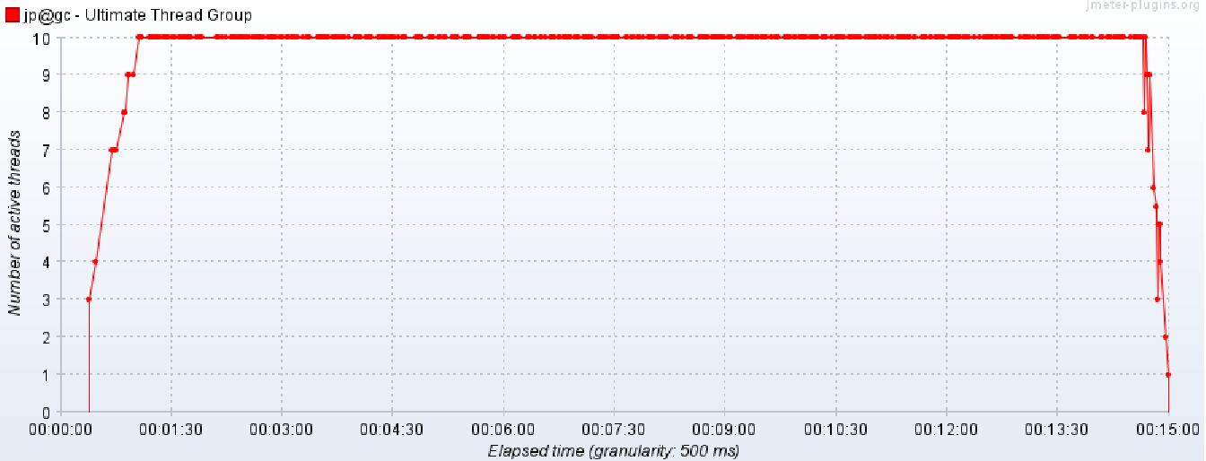

Response Time:
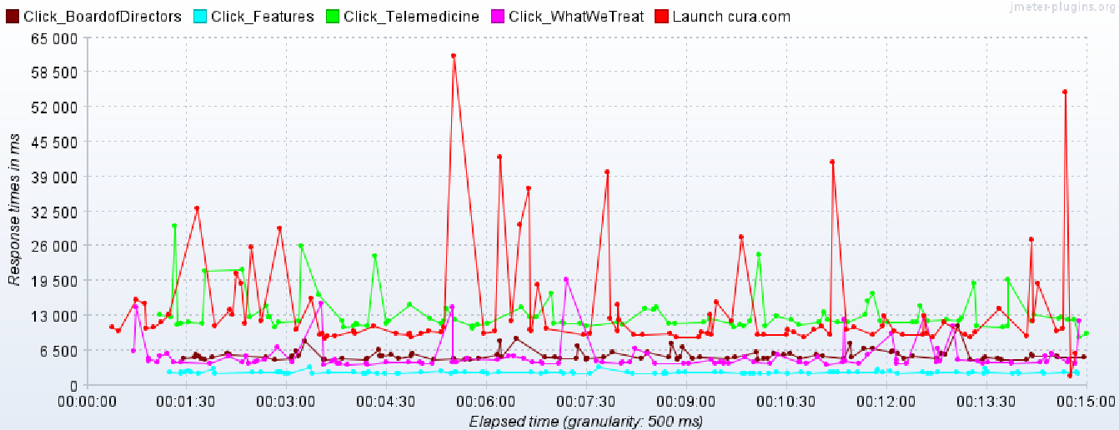

TPS:
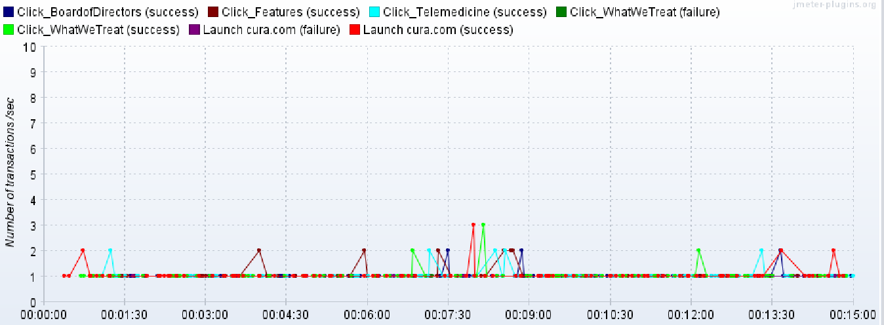

Errors under load:

